Table 19
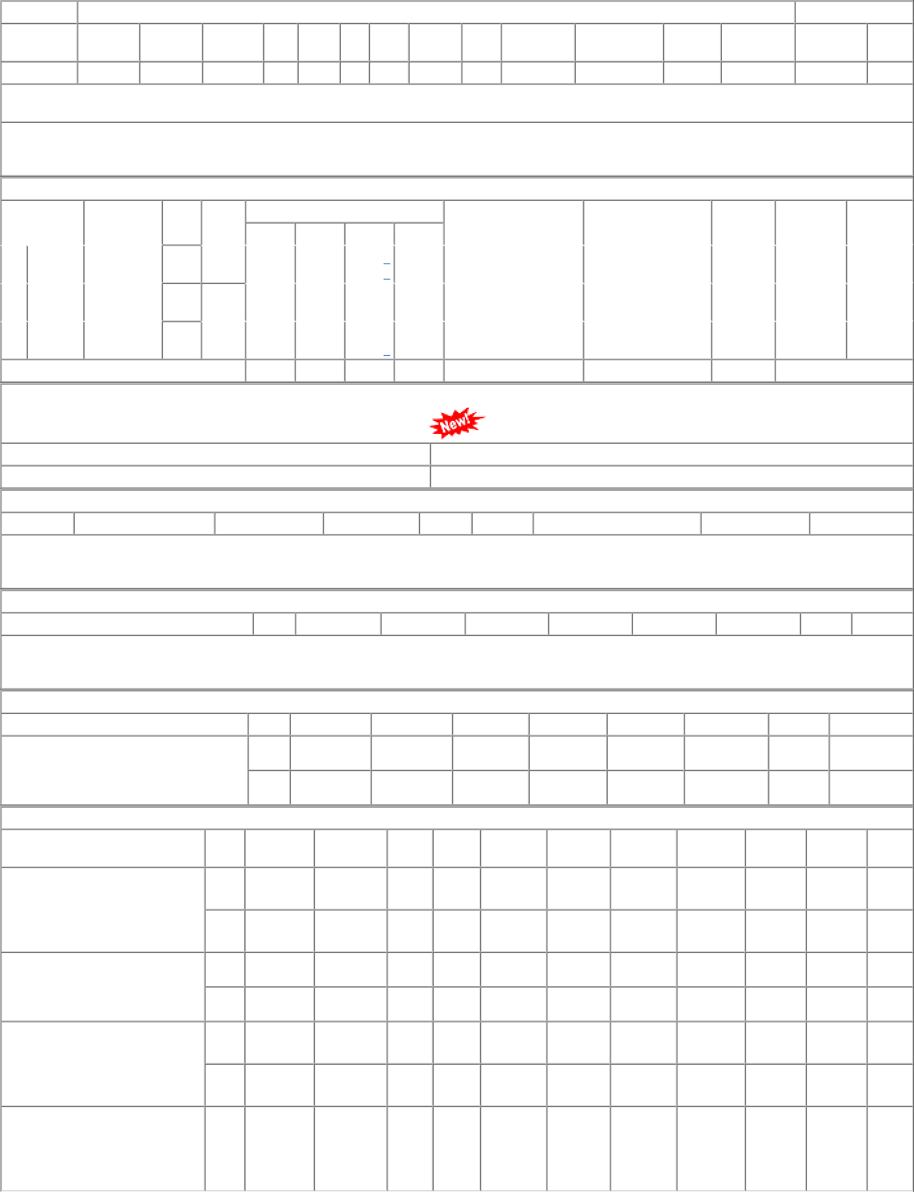
P.O.No.15220607103911 dt.25/07/22 on M/s.RAMKRISHNA FORGINGS LIMITED-KOLKATA PO-CAT:[ Reg ] P.O.No.15220607103910 dt.25/07/22 on M/s.SARITA FORGINGS LIMITED- LUDHIANA PO-CAT:[ Reg ] P.O.No.15220607103909 dt.25/07/22 on M/s.LALBABA INDUSTRIAL CORPORATION PRIVATE LTD.-HOWRAH PO- CAT:[ Reg ] P.O.No.15220607102439 dt.14/05/22 on M/s.LALBABA INDUSTRIAL CORPORATION PRIVATE LTD.-HOWRAH PO- CAT:[ Dev ] | 001 002 001 002 001 002 001 | PL-CR BVPW PL-CR BVPW PL-CR BVPW PL-CR | 3433.80 3433.80 3433.80 3433.80 3302.82 3302.82 3538.82 | 98 Nos. 0 48 Nos. 0 41 Nos. 0 20 Nos. 0 24 Nos. 0 12 Nos. 0 20 Nos. 0 | 0 0 0 0 0 41 0 20 0 24 0 12 0 20 | 30/04/23 30/04/23 25/10/22 25/10/22 25/10/22 25/10/22 28/09/22 | 01/04/23 30/04/23 OP 01/04/23 30/04/23 OP 25/10/22 OP 25/10/22 OP 25/10/22 OP 25/10/22 OP 28/09/22 OP

